Instructions
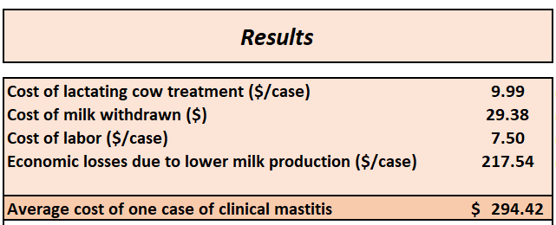

Cost of clinical mastitis

Spreadsheet tool
kg
lbs

Instructions

1 - This spreadsheet presents the calculations for clinical mastitis costs in Hommels, N. M. C., Ferreira, F. C., B. H. P. van den Borne, and H. Hogeveen. 2021. Antibiotic use and potential economic impact of implementing selective dry cow therapy in large US dairies. J. Dairy Sci. 104:8931–8946.

2 - Users may change inputs and calculate their own economic feasibility.
3 - The calculations are available both in the metric and imperial systems. Choose the correct spreadsheet according to the system you will be using.

Metric system (kg) | Imperial system (lbs)
4 - Change only the values of the blue cells on the spreadsheets (my inputs). Default inputs are available for guidance.
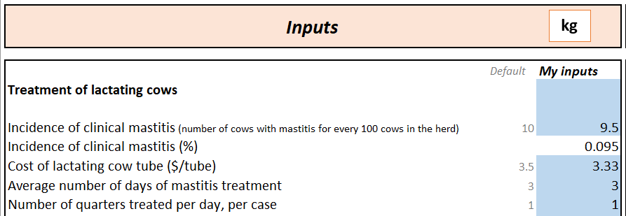
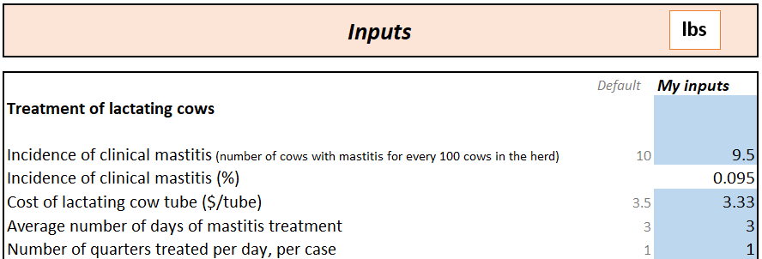

5 - Detailed analysis of the calculations for the milk losses estimations are available (as well as the references).
Detailed analysis (kg) | Detailed analysis (lbs)
6 - As the inputs are added, the calculations change automatically. The results will be presented on the right side of the sheets.

Metric system (kg)
Cost of clinical mastitis cases in lactating dairy cows

REF.: Hommels, N. M. C., Ferreira, F. C., B. H. P. van den Borne, and H. Hogeveen. 2021. Antibiotic use and potential economic impact of implementing selective dry cow therapy in large US dairies. J. Dairy Sci. 104:8931–8946.

For calculations in pounds, click here.
Click here to go back to instructions.
Click here for the simulation of milk losses (kg).

kg
Inputs |  |  | Results
 |  |  |  |  | Yes
 |  |  |  |  | No
 | Default | My inputs | Cost of lactating cow treatment ($/case) | 9.99
Number of lactating cows |  | 1000 | Cost of milk withdrawn ($) | 29.38
 |  |  | Cost of labor ($/case) | 7.50
Treatment of lactating cows |  |  | Economic losses due to lower milk production ($/case) | 217.54
 |  |  | Other clinical mastitis costs ($/case) | 0.00
Incidence of clinical mastitis (number of cows with mastitis for every 100 cows in the herd) | 10 | 12
Incidence of clinical mastitis (%) |  | 0.12 | Average cost of one case of clinical mastitis | $301.21
Cost of lactating cow tube ($/tube) | 3.5 | 3.33 | Total cost of mastitis in the herd ($/year) | $36,145.26
Average number of days of mastitis treatment | 3 | 3 | Average cost per lactating cow per year | $36.15
Number of quarters treated per day, per case | 1 | 1
Other treatment costs (drugs, etc) ($/case) |  | 0 | Other losses
 |  |  | Milk discharged due to treatment (kg) | 180
Milk losses due to treatment of lactating cows |  |  | Marginal milk price of discharged milk fed to calves ($/kg) | $0.30
 |  |  | Milk production losses due to a case of clinical mastitis (kg) | $(758.87)
Milk price ($/kg) | 0.40 | 0.40 | Feed saved due to lower milk production (kg/kg of milk) | $0.11
Average daily milk production during treatment (kg/day) | 30.00 | 30.00 | Salvage value of culled cows | $872.69
Days of non-sealable milk | 6 | 6

Do you feed hospital milk to calves? (if yes, fill out the info below) |  | Yes
Milk replacer price ($/kg) | $0.37 | $0.37
Percentage of waste milk used to calves | 0.8 | 80%
Marginal milk price |  | $0.10

Milk production information
Average 305 milk production (kg/cow) | 11604 | 11604
Average number of days at first case of mastitis after calving | 45 | 45

Culling information
Increased probability of culling due to clinical mastitis |  | 1.8
Average annual cull rate | 35% | 35%
Culling rate due to mastitis | 2.5% | 3.1%
Average productive life of cows without clinical mastitis |  | 3.13
Cost of raising a heifer ($/heifer) | $2,016.00 | $2,016.00
Average price of culled cows ($/kg) | $1.37 | $1.37
Weight of culled cows (kg) | 637 | 637
Culling costs if the herd had no mastitis |  | $365.11
Population attributable fraction (% of culling due to mastitis) |  | 0.088
Average productive life if mastitis |  | 2.86
Culling costs due to mastitis |  | $400.16
Difference in culling costs due to mastitis |  | $36.80
Interest rate | $0.05 | 5%

Other costs and inputs

Labor wage ($/hour) | 15 | 15
Time needed for treatment (minutes/cow) | 10 | 10
Feed cost ($/kg) |  | $0.17
Feed cost ($/kg dry matter) |  | $0.28
Consumption of dry matter per kg of milk | 0.40 | 0.40

Simulation of milk losses (kg)
The references for these calculations and the link for the articles are provided below

Wilson, D. J., R. N. González, J. Hertl, H. F. Schulte, G. J. Bennett, Y. H. Schukken, and Y. T. Gröhn. 2004. Effect of clinical mastitis on the lactation curve: A mixed model estimation using daily milk weights. J. Dairy Sci. 87:2073–2084. https://doi.org/10.3168/jds.S0022-0302(04)70025 -9.

Rollin, E., K. C. Dhuyvetter, and M. W. Overton. 2015. The cost of clinical mastitis in the first 30 days of lactation: An economic modeling tool. Prev. Vet. Med. 122:257–264. https://doi.org/10.1016/j.prevetmed.2015.11.006.

305 milk from Wilson et al. (2004) | 10182
305 milk updated (and used in Hommels et al. 2021) | 11604 | Ref: CDCB US https://queries.uscdcb.com/publish/dhi/current/hax.html
Difference in % | 1.1396582204

Back to the cost of clinical mastitis inputs (kg)
From Wilson et al. (2004), the losses due to clinical mastitis are, per lactation: |  |  | Updating those values for the milk 305 reported above |  | Weighted avg considering % of heifers and old cows
 | 1st lactation | 2nd+ lact | 1st lactation | 2nd+ lact
>=29d pre | 0.37 | 2.7 | 0.42167354154 | 3.0770771951 | 2.1476859163
22 to 28 pre | 0.14 | 2.61 | 0.15955215085 | 2.9745079552 | 1.9892734237
15 to 21d pre | 0.85 | 2.56 | 0.96870948733 | 2.9175250442 | 2.2354395993
8 to 14 d pre | 0.4 | 2.32 | 0.45586328816 | 2.6440070713 | 1.8781567472
1 to 7d pre | -1.35 | -0.43 | -1.5385385975 | -0.49005303477 | -0.85702298173
0 to 7d pos | -6.69 | -9.45 | -7.6243134944 | -10.769770183 | -9.6688603418
8 to 14d pos | -5.39 | -6.52 | -6.1427578079 | -7.4305715969 | -6.9798367708
15 to 21d post | -5.16 | -5.38 | -5.8806364172 | -6.1313612257 | -6.0436075427
22 to 28d post | -4.41 | -4.75 | -5.0258927519 | -5.4133765468 | -5.2777572186
29 to 35d post | -3.75 | -4.03 | -4.2737183265 | -4.5928226282 | -4.4811361226
36 to 42d post | -4.26 | -3.6 | -4.8549440189 | -4.1027695934 | -4.3660306423
43 to 49d post | -3.52 | -2.81 | -4.0115969358 | -3.2024395993 | -3.4856446671
50 to 56d post | -2.51 | -2.56 | -2.8605421332 | -2.9175250442 | -2.8975810253
57 to 63d post | -2.4 | -2.34 | -2.7351797289 | -2.6668002357 | -2.6907330583
64 to 70d post | -1.52 | -2.62 | -1.732280495 | -2.9859045374 | -2.5471361226
>=71d post | -1.95 | -1.89 | -2.2223335298 | -2.1539540365 | -2.1778868592

Calculating the losses based on the average day of first case of mastitis in the herd
45
38 | -0.85702298173 | 7 | -5.9991608721
52 | -9.6688603418 | 7 | -67.682022392
59 | -6.9798367708 | 7 | -48.858857395
66 | -6.0436075427 | 7 | -42.305252799
73 | -5.2777572186 | 7 | -36.94430053
80 | -4.4811361226 | 7 | -31.367952858
87 | -4.3660306423 | 7 | -30.562214496
94 | -3.4856446671 | 7 | -24.399512669
101 | -2.8975810253 | 7 | -20.283067177
108 | -2.6907330583 | 7 | -18.835131408
115 | -2.5471361226 | 7 | -17.829952858
116 | -2.1778868592 | 190 | -413.79850324
 |  |  | -758.8659287 | kg

Imperial system (lbs)
Cost of clinical mastitis cases in lactating dairy cows

REF.: Hommels, N. M. C., Ferreira, F. C., B. H. P. van den Borne, and H. Hogeveen. 2021. Antibiotic use and potential economic impact of implementing selective dry cow therapy in large US dairies. J. Dairy Sci. 104:8931–8946.

For calculations in kilos, click here.
Click here to go back to instructions.
Click here for the simulation of milk losses (lbs).

lbs
Inputs |  |  | Results
 |  |  |  |  | Yes
 |  |  |  |  | No
 | Default | My inputs | Cost of lactating cow treatment ($/case) | 10.20
Number of lactating cows |  | 1000 | Cost of milk withdrawn ($) | 28.75
 |  |  | Cost of labor ($/case) | 7.50
Treatment of lactating cows |  |  | Economic losses due to lower milk production ($/case) | 210.33
 |  |  | Other clinical mastitis costs ($/case) | 0.00
Incidence of clinical mastitis (number of cows with mastitis for every 100 lactating cows in the herd) | 10 | 20
Incidence of clinical mastitis (%) |  | 0.2
Cost of lactating cow tube ($/tube) | 3.5 | 3.4 | Average cost of one case of clinical mastitis | $326.32
Average number of days of mastitis treatment | 3 | 3 | Total cost of mastitis in the herd ($/year) | $65,264.90
Number of quarters treated per day, per case | 1 | 1 | Average cost per lactating cow per year | $65.26
Other treatment costs (drugs, etc) ($/case) |  | 0
 |  |  | Other losses
Milk losses due to treatment of lactating cows |  |  | Milk discharged due to treatment (lbs) | 396
 |  |  | Marginal milk price of discharged milk fed to calves ($/lbs) | $0.13
Milk price ($/cwt) | 20.00 | 18.00 | Milk production losses due to a case of clinical mastitis (lbs) | $(1,660.53)
Average daily milk production during treatment (lbs/day) | 66.00 | 66.00 | Feed saved due to lower milk production (lbs/lbs of milk) | $0.05
Days of non-sealable milk | 6 | 6 | Salvage value of culled cows | $872.68

Do you feed hospital milk to calves? (if yes, fill out the info below) |  | Yes
Milk replacer price ($/lbs) | 0.17 | 0.16783
Percentage of waste milk used to calves | 0.8 | 80%
Marginal milk price ($/cwt) |  | $4.57

Milk production information
Average 305 milk production (lbs/cow) | 25582 | 25600
Average number of days at first case of mastitis after calving | 45 | 45

Culling information
Increased probability of culling due to clinical mastitis |  | 1.8
Average annual cull rate | 35% | 42%
Culling rate due to mastitis | 2.5% | 5.8%
Average productive life of cows without clinical mastitis |  | 2.76
Cost of raising a heifer ($/heifer) | $2,016.00 | $2,016.00
Average price of culled cows ($/lb) | $0.62 | $0.62
Weight of culled cows (lbs) | 1404 | 1404
Culling costs if the herd had no mastitis |  | $413.96
Population attributable fraction (% of culling due to mastitis) |  | 0.138
Average productive life if mastitis |  | 2.38
Culling costs due to mastitis |  | $480.19
Difference in culling costs due to mastitis |  | $69.55
Interest rate | $0.05 | 5%

Other costs and inputs

Labor wage ($/hour) | 15 | 15
Time needed for treatment (minutes/cow) | 10 | 10
Feed cost ($/lb) | $0.08 | $0.08
Feed cost ($/lb dry matter) |  | $0.13
Consumption of dry matter per lb of milk | 0.40 | 0.40

Simulation of milk losses (lbs)
The references for these calculations and the link for the articles are provided below

Wilson, D. J., R. N. González, J. Hertl, H. F. Schulte, G. J. Bennett, Y. H. Schukken, and Y. T. Gröhn. 2004. Effect of clinical mastitis on the lactation curve: A mixed model estimation using daily milk weights. J. Dairy Sci. 87:2073–2084. https://doi.org/10.3168/jds.S0022-0302(04)70025 -9.

Rollin, E., K. C. Dhuyvetter, and M. W. Overton. 2015. The cost of clinical mastitis in the first 30 days of lactation: An economic modeling tool. Prev. Vet. Med. 122:257–264. https://doi.org/10.1016/j.prevetmed.2015.11.006.

POUNDS

305 milk from Wilson et al. (2004) | 22600
305 milk updated (and used in Hommels et al. 2021) | 25600 | Ref: CDCB US https://queries.uscdcb.com/publish/dhi/current/hax.html
Difference in % | 1.1327433628
Back to the cost of clinical mastitis inputs (lbs)
From Wilson et al. (2004), the losses due to clinical mastitis are, per lactation: |  |  | Updating those values for the milk 305 reported above |  | Weighted avg considering % of heifers and old cows
 | 1st lactation | 2nd+ lact | 1st lactation | 2nd+ lact
>=29d pre | 0.8157094 | 5.952474 | 0.92398940885 | 6.7426254159 | 4.298798293
22 to 28 pre | 0.3086468 | 5.7540582 | 0.34961761416 | 6.5178712354 | 3.9272047145
15 to 21d pre | 1.873927 | 5.6438272 | 2.1226783717 | 6.3930078018 | 4.5994694411
8 to 14 d pre | 0.881848 | 5.1147184 | 0.99890746903 | 5.7936633204 | 3.7798658628
1 to 7d pre | -2.976237 | -0.9479866 | -3.371312708 | -1.0738255292 | -2.0387701443
0 to 7d pos | -14.7489078 | -20.833659 | -16.706727419 | -23.599188956 | -20.704355111
8 to 14d pos | -11.8829018 | -14.3741224 | -13.460278145 | -16.282191745 | -15.096988033
15 to 21d post | -11.3758392 | -11.8608556 | -12.88590635 | -13.435305458 | -13.204557833
22 to 28d post | -9.7223742 | -10.471945 | -11.012954846 | -11.862026195 | -11.505416228
29 to 35d post | -8.267325 | -8.8846186 | -9.3647575221 | -10.06399275 | -9.7703139545
36 to 42d post | -9.3916812 | -7.936632 | -10.638364545 | -8.9901672212 | -9.6824100973
43 to 49d post | -7.7602624 | -6.1949822 | -8.7903857274 | -7.0173249699 | -7.7620104881
50 to 56d post | -5.5335962 | -5.6438272 | -6.2681443681 | -6.3930078018 | -6.3405651596
57 to 63d post | -5.291088 | -5.1588108 | -5.9934448142 | -5.8436086938 | -5.9065398644
64 to 70d post | -3.3510224 | -5.7761044 | -3.7958483823 | -6.5428439221 | -5.3891057954
>=71d post | -4.299009 | -4.1667318 | -4.8696739115 | -4.7198377912 | -4.7827689617

Calculating the losses based on the average day of first case of mastitis in the herd
45
38 | -2.0387701443 | 7 | -14.27139101
52 | -20.704355111 | 7 | -144.93048577
59 | -15.096988033 | 7 | -105.67891623
66 | -13.204557833 | 7 | -92.431904831
73 | -11.505416228 | 7 | -80.537913598
80 | -9.7703139545 | 7 | -68.392197682
87 | -9.6824100973 | 7 | -67.776870681
94 | -7.7620104881 | 7 | -54.334073416
101 | -6.3405651596 | 7 | -44.383956118
108 | -5.9065398644 | 7 | -41.34577905
115 | -5.3891057954 | 7 | -37.723740568
116 | -4.7827689617 | 190 | -908.72610272
 |  |  | -1660.5333317 | pounds

